Detailed FS_1
New Authorization |  |  |  | ZPP_BOM_WEIGHT
Selection screen
Material | From |  | TO |  | Mandatory |  |  |  |  |  |  |  | Consider | HALB | KG | LITRE
Plant | From |  | TO |  | Mandatory |  |  |  |  |  |  |  |  | RM | KG | LITRE
 |  |  |  |  |  |  |  |  |  |  |  |  |  |  | FG | EA
 |  |  |  |  |  |  |  |  |  |  |  |  |  | ZSCR | SC* | KG
Active BOM |  |  |  |  |  |  |  |  |  |  |  |  |  | ZSCR | RP* | KG
Radio Button 1 | Detailed BOM
Material Code | Plant | Base qty | UOM | Material Group | Material description | Material Type | Weight | Component | Component Qty | UOM | Material Type | Origin Group
M511800513 | 1001 | 1000 | EA | CPVC | 12" CPVC PRO PIPE SCH80 5M | FERT | 150,580.62 | CC01010001 | 1001 | 135,522.56 | KG
 |  |  |  |  |  |  |  | RM01020001
 |  |  |  |  |  |  |  | CC01010003
 |  |  |  |  |  |  |  | RM02010013
Logic
Plant | Selection Screen plant
Material Code | if user enter the * in the Material on selection screen then Pass selection screen Plant to I_BILLOFMATERIALITEMTP for BILLOFMATERIALVARIANTUSAGE=1 and take BILLOFMATERIAL and BILLOFMATERIALVARIANT . Pass this BILLOFMATERIAL and BILLOFMATERIALVARIANT to I_BILLOFMATERIAL for BILLOFMATERIALSTATUS=1 and BOMISARCHIVEDFORDELETION=blank. Delete those record where condition is not satisfied and show the Material from i_BILLOFMATERIALTP against BILLOFMATERIAL AND BILLOFMATERIALVARIANT.
ALT BOM
Base qty | for I_BILLOFMATERIAL- BILLOFMATERIAL and BILLOFMATERIALVARIANT, take BOMHEADERQUANTITYINBASEUNIT
UOM | BOMHEADERBASEUNIT
Material Group | pass selection screen material to I_PRODUCT And take I_PRODUCT-PRODUCTGROUP
Material description | pass selection screen material to I_PRODUCTTEXT And take I_PRODUCTTEXT-PRODUCTNAME for LANGUAGE=E
Material Type | pass selection screen material to I_PRODUCT And take I_PRODUCT-PRODUCTTYPE

 | For Component details, pass the details in the below program as below.

Program name | RCS13001
on selection screen
Material | I_BILLOFMATERIALTP-MATERIAL
Plant | Selection Screen Plant
Alternative | I_BILLOFMATERIALTP-BILLOFMATERIALVARIANT
BOM Usage | 1 | HARDCODE
Application | PP01
Required Quantity | Base Qty

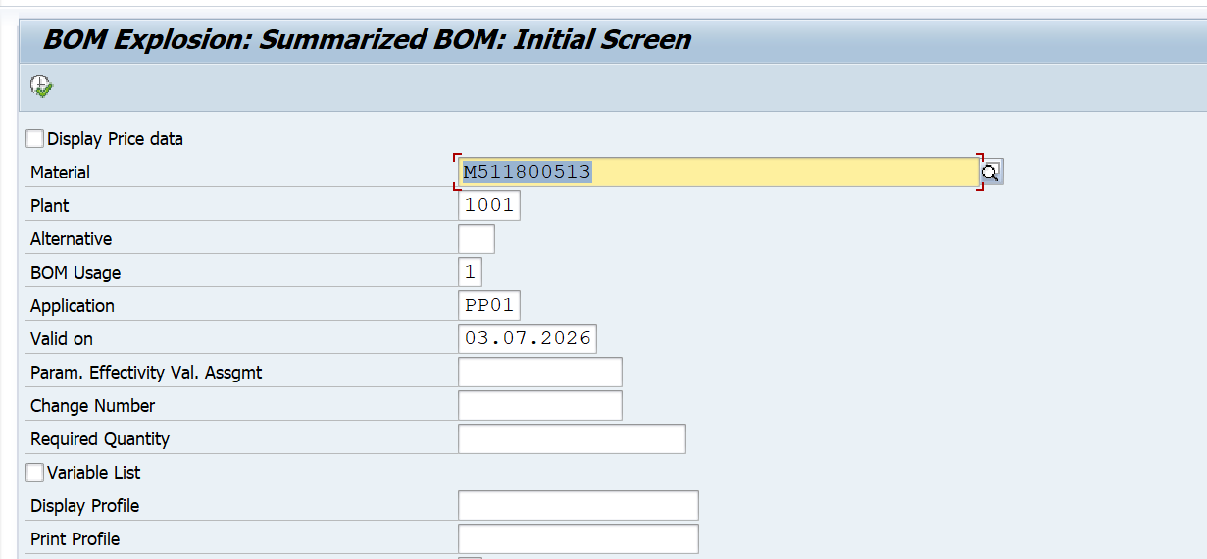

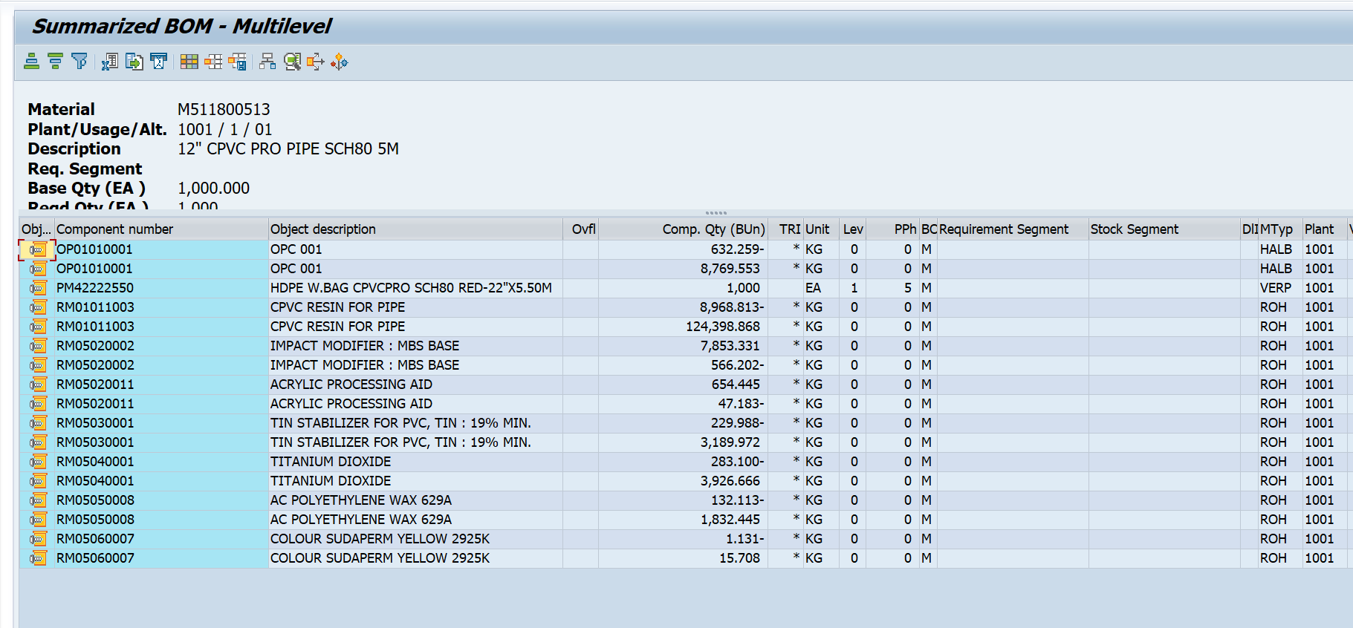

Weight | Do the sum of the component QTY | then divide with base qty
Component | 1. take component number from the above program and Only kept those material where material type= ROH, HALB, FERT and ZSCR 2. For ROH case, remove the material where UOM is not equal to EA and KG. For ZSCR, Only consider the material where first two character are SC and RP. 3. if the component is HALB and FERT, pass this HALB or FERT material to V_MBEW_MD-MATERIAL for BWKEY=selection screen plant and BWTAR is not equal to selection screen plant. if the multiple entry is exist in such case, take first line item of the table. now pass this material Same as above logic to determine the component.
Component Qty | From Programme. Add or subtract where the component has a dupliate value so that single line is visible.
UOM | From Programme
Material Type | From Programe
Origin Group | Pass Component material to V_MBEW_MD-MATNR and BWKEY=selection Plant and BWTAR=blank and take HRKFT
 | pass HRKFT to TKKH2-HRKFT and take- HRKTX

Radio Button 2 | Summerised BOM

Material Code | Plant | Base qty | UOM | Material Group | Material description | Material Type | Weight

all the logic are same as above. In this case, summerised weight will show
if user click on material, above data must be reflect.

